CPS - Urbanears Earbuds
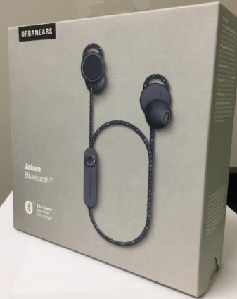
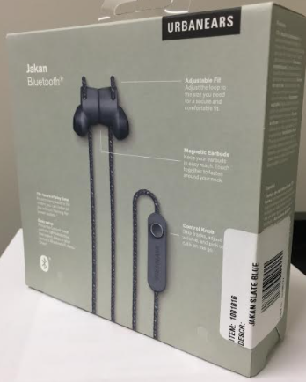
URBANEARS Bluetooth Headphones
Model | Description | Quantity | Case Pack | Cases
JAKAN | ALMOND BEIGE (18) | 525 | 18 | 29.2
JAKAN | ASH GREY | 1,033 | 18 | 57.4
JAKAN | ASH GREY (18) | 1,166 | 18 | 64.8
JAKAN | CHARCOAL BLACK | 1,376 | 18 | 76.4
JAKAN | CHARCOAL BLACK (18) | 1,709 | 18 | 94.9
JAKAN | FIELD GREEN (18) | 1,364 | 18 | 75.8
JAKAN | MULBERRY RED (18) | 1,713 | 18 | 95.2
JAKAN | POWDER PINK (18) | 939 | 18 | 52.2
JAKAN | SLATE BLUE | 348 | 18 | 19.3
JAKAN | SLATE BLUE (18) | 1,223 | 18 | 67.9
 |  | 11,396 | 180 | 633
https://www.urbanears.com/us/en/1001815.html
FOB: | Memphis, TN 31481
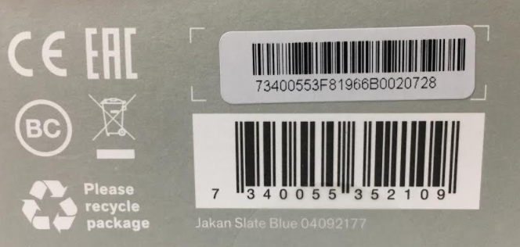
Case Pack: | Master Carton contains 3 pieces per 6 inner cartons - Total of 18 units per Master Carton
Pallets: | 32 master cartons per Urbanears’ warehouse stacking to a height max of 60" for a total of 576 units per pallet
Restrictions: | No eCommerce Sales
Minimum Order: | 2 Pallets

